D.200 LEADSHEET
Client | : PT Indo American Seafoods Tbk |  | Prepared by : | NLS |  |  | Date : | 6-Jun-25
Period | : 31 December 2024 |  | Reviewed by : | KNW |  |  | Date : | 9-Jun-25
Account | : Persediaan |  | Approve by : | MGN |  |  | Date : | 14-Jun-25
Index | : D.200 Lead Sheet

Code | Account Name | Audited PT IAS | Audited PT ISP | Audited Combine | Eliminasi |  |  |  | Audited | Audited | Incrase/Decrase
 |  |  |  |  | Reff | Debit | Reff | Kredit
No. |  | 31 Desember 2024 | 31 Desember 2024 | 31 Desember 2024 |  |  |  |  | 31 Desember 2024 | 31 Desember 2023 | Rp | %
Persediaan
 | Bahan Pembantu | 18,499,017,334 | 11,693,749,527 | 30,192,766,861 |  |  |  |  | 30,192,766,861 | 27,252,363,563 | 2,940,403,298 | 10.79%
 | Bahan Bakar | 28,060,854 | 527,514,066 | 555,574,920 |  |  |  |  | 555,574,920 | 434,192,365 | 121,382,555 | 27.96%
 | Persediaan Udang | 94,113,724,883 | 88,265,637,010 | 182,379,361,893 |  |  |  |  | 182,379,361,893 | 186,576,651,865 | -4,197,289,972 | -2.25%
 | Persediaan Breaded | 4,614,448,027 | - | 4,614,448,027 |  |  |  |  | 4,614,448,027 | 3,808,188,569 | 806,259,458 | 21.17%
 | Total Inventories | 117,255,251,099 | 100,486,900,603 | 217,742,151,702 |  |  |  |  | 217,742,151,702 | 218,071,396,362 | (329,244,660) | 0.58

 | Kesimpulan:
 | Terdapat penurunan persediaan yang dimana adanya di persediaan udang yang senilai Rp 4.197.289.972 atau (2,25%).penjualan udang menjadi lebih tinggi, perusahaan bisa menggunakan persediaan yang ada lebih cepat. Persediaan habis karena dijual, untuk fokus lebih pada produk olahan (breaded, value‐added) sehingga stok udang «raw» dikurangi, sementara stok udang olahan meningkat.
 | Agreed with prior year audited balance
 | Agreed with General Ledger(GL) as of Dec 31, 2024
^
 | Footing

D.600 BA SO Lampung
Client | : PT Indo American Seafoods Tbk |  | Prepared by : | NLS | Date : | 6-Jun-25
Period | : 31 Desember 2024 |  | Reviewed by : | KNW | Date : | 9-Jun-25
Account | : Persediaan |  | Approved by: | MGN | Date : | 14-Jun-25
Index | : D.600 Mempelajari atas Stock Opname Persediaan Udang

Berita Acara Stock Opname Persediaan Barang per 31 Desember 2023
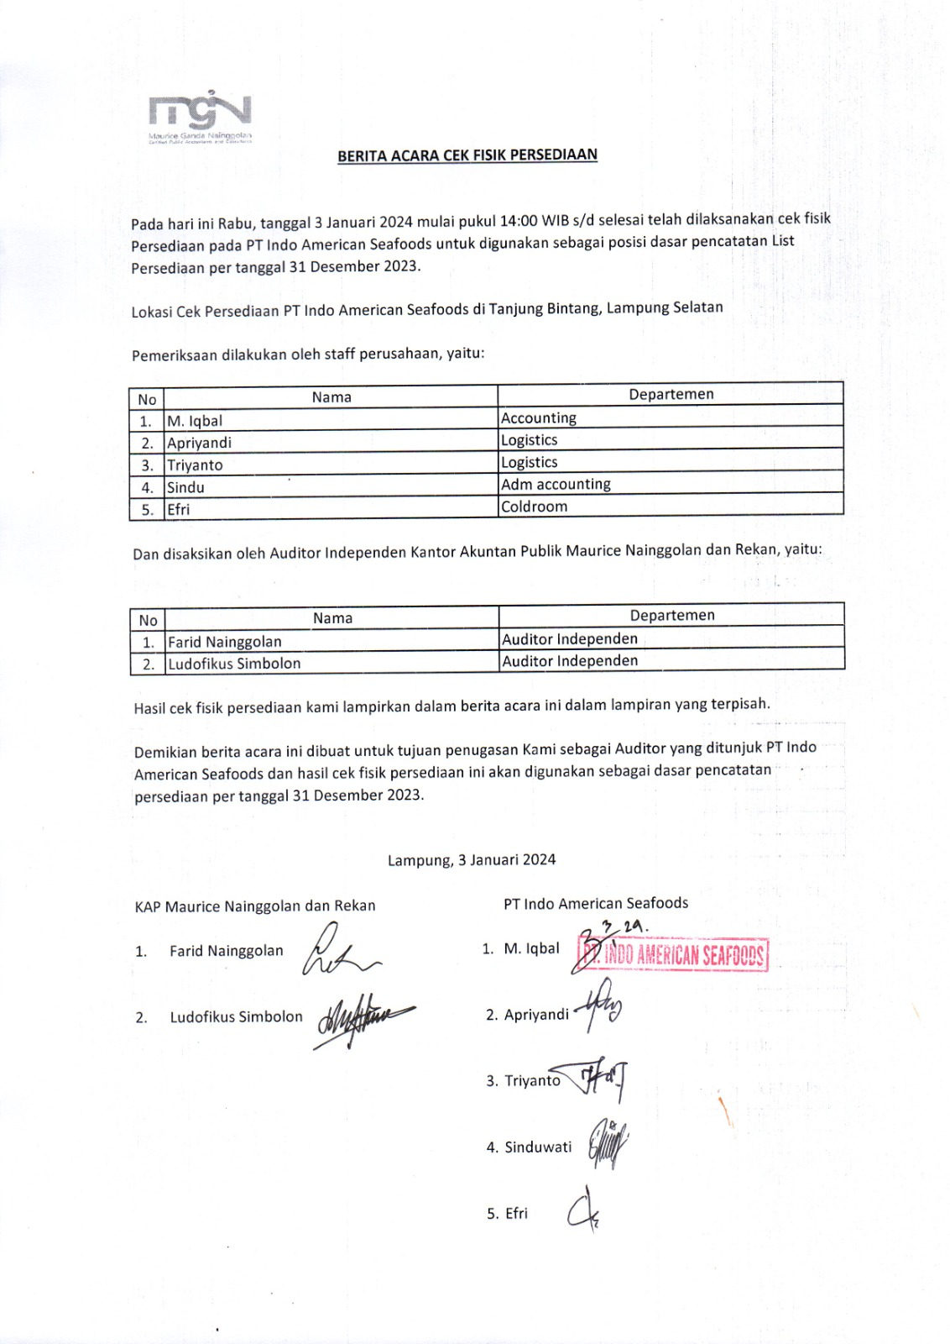
 |  |  |  | per 31 Desember 2023

 |  |  |  | Rincian Persediaan berdasarkan sistem
 |  |  |  | per 31 Desember 2023

Dokumentasi Foto kegiatan Perhitungan Fisik Persediaan Per 31 Desember 2023 Lampung

 | COLDROOM | COLDROOM
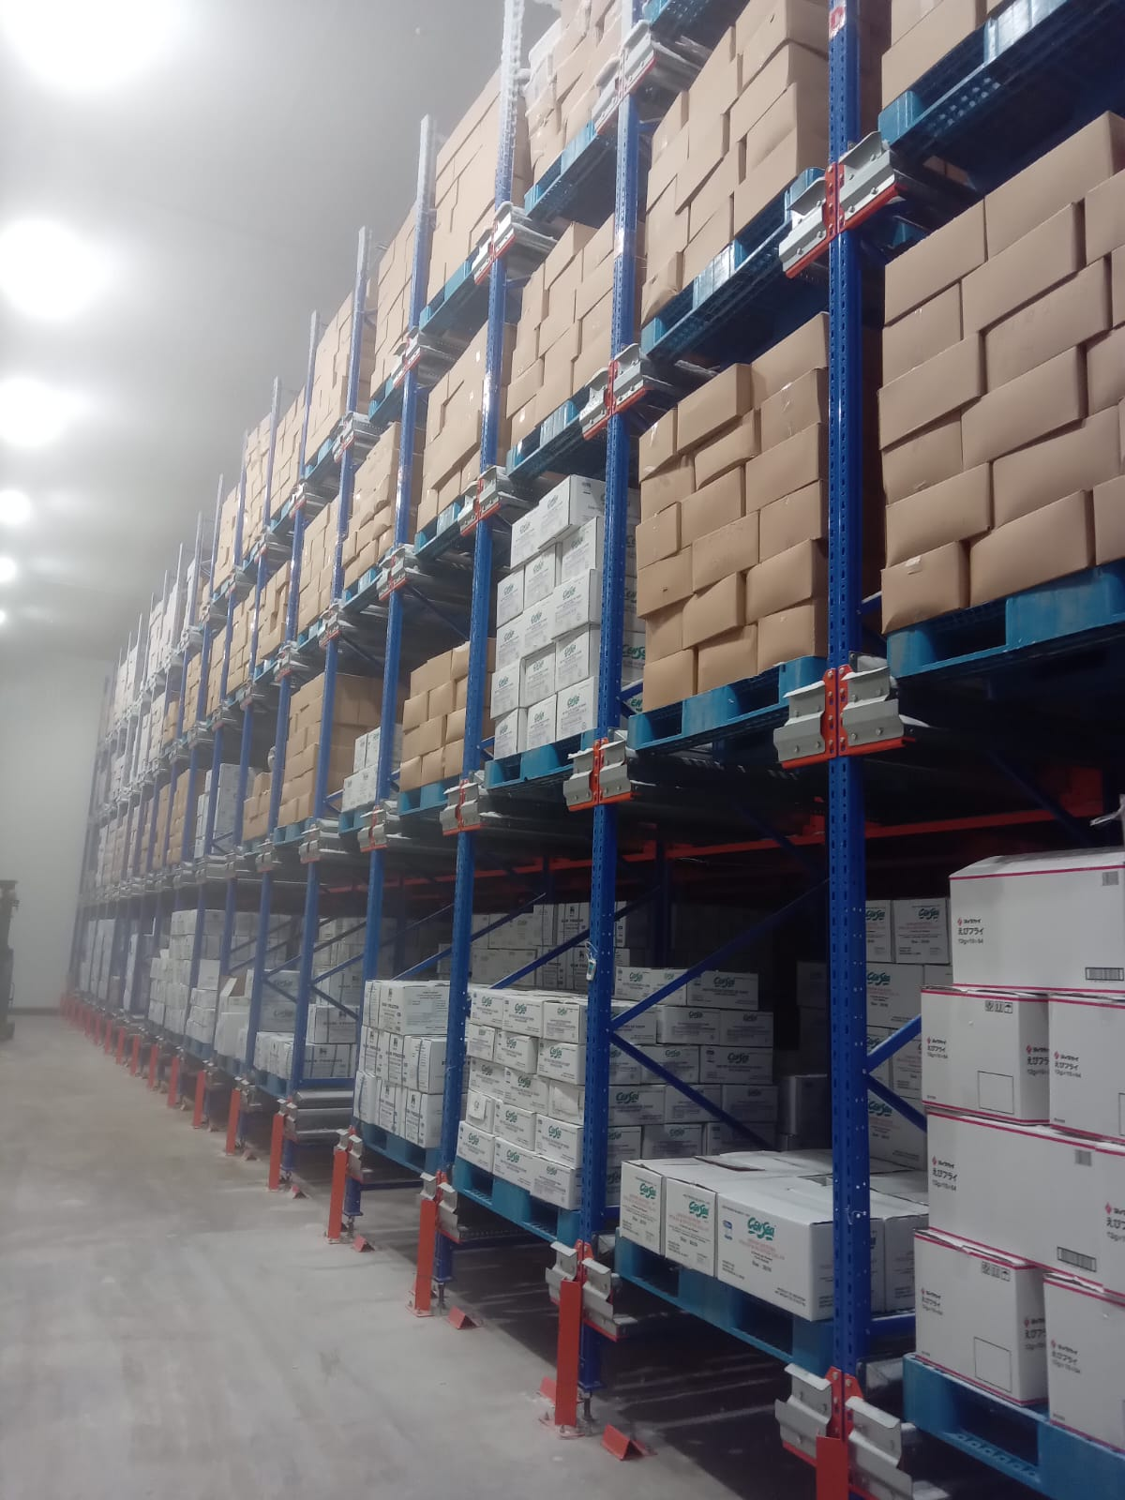
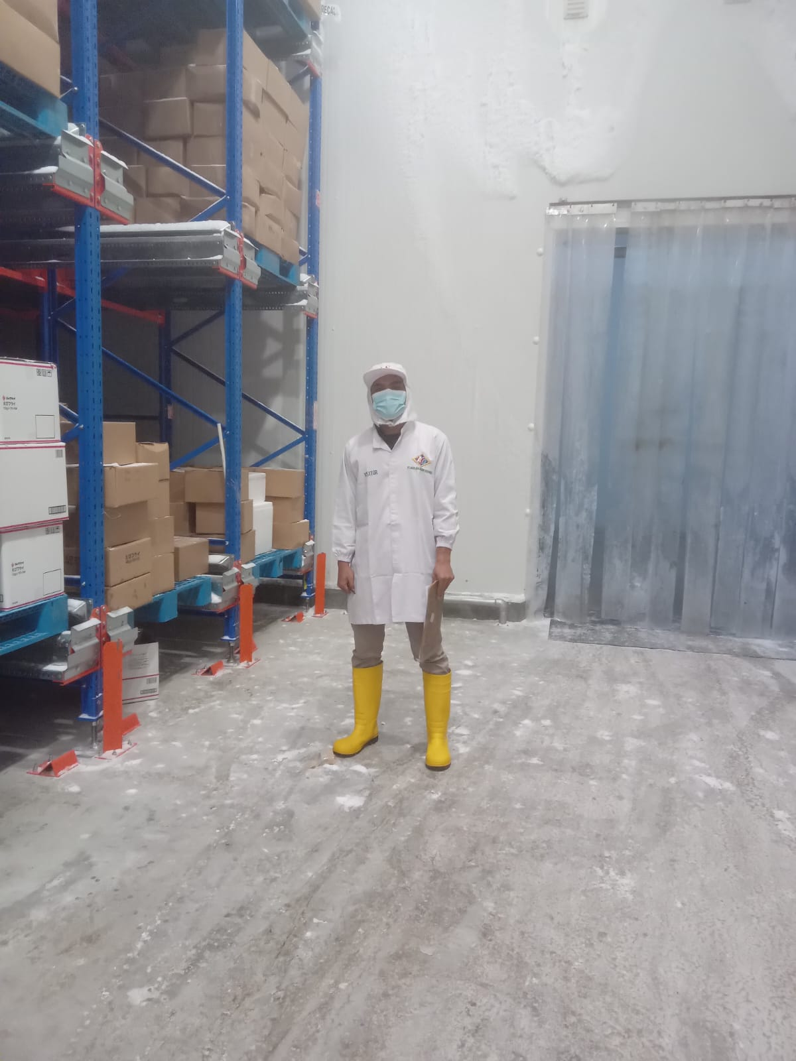

 | RUANG PENYIMPANAN | RUANG PENYIMPANAN
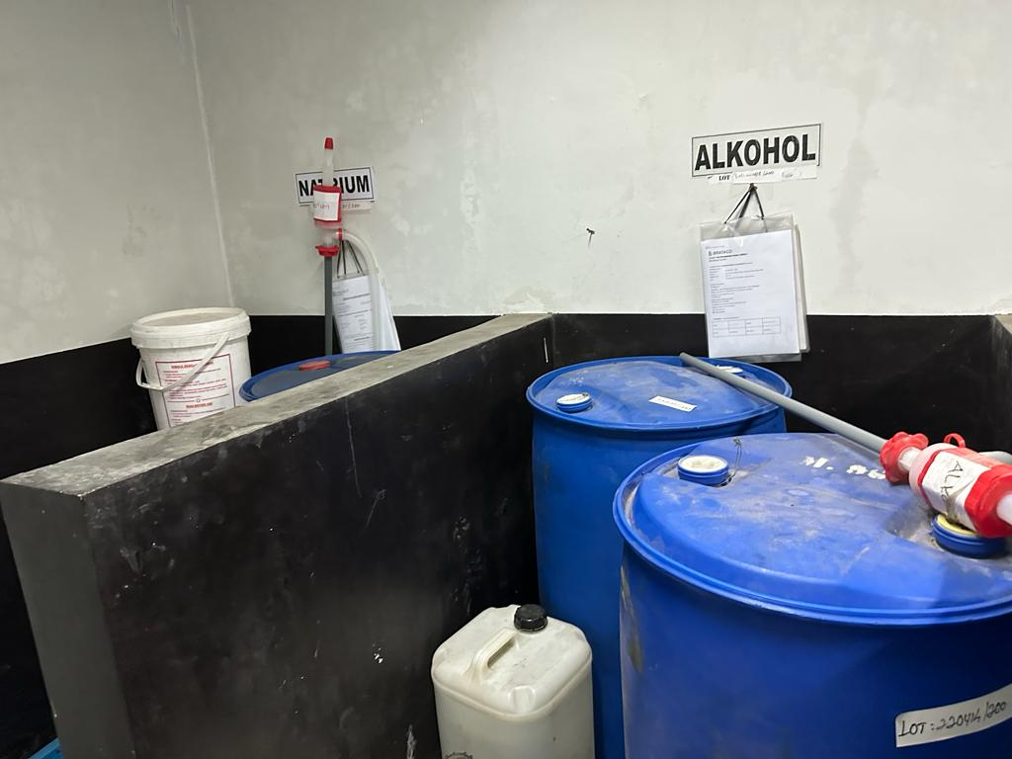
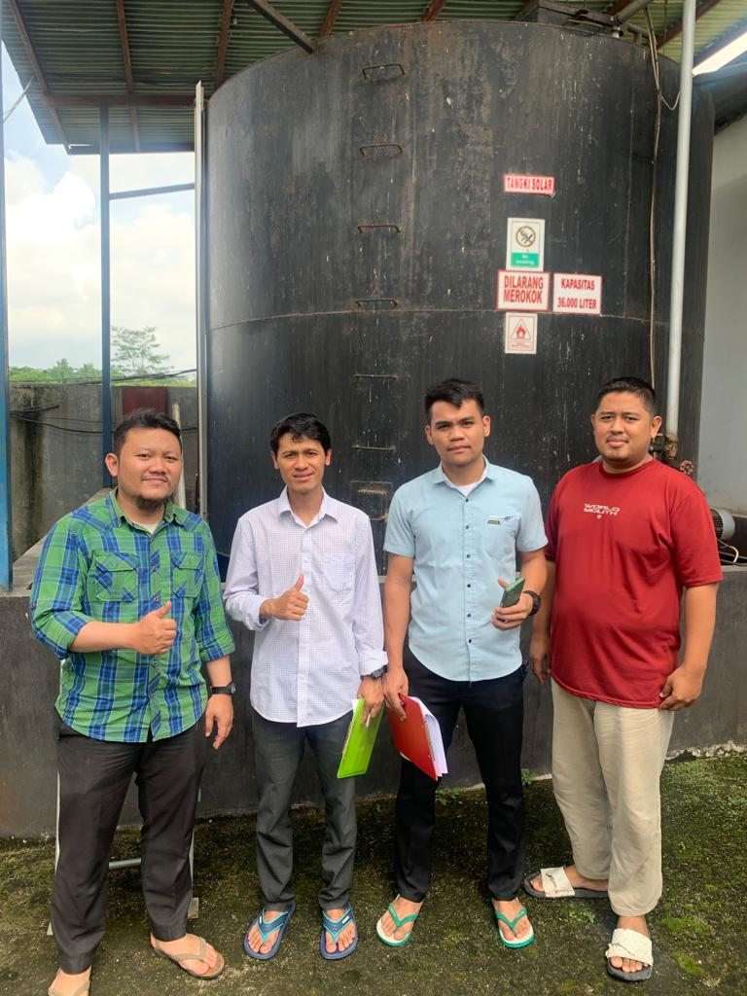

Kesimpulan:
 | " Pada tanggal 31 Desember 2023 telah di lakukan cek fisik persediaan (SO) di Lampung, dalam melakukan kegiatan Stok Opname ini di hadiri oleh M Iqbal Accounting, Apriyandi Logistics Triyanto Logistics, Sindu Adm Accounting dan Efri Coldroom.
 | Stok Opname di lakukan di Lamapung jam 14.00 sampai selesai Dalam melakukan cek fisik persediaan tidak ada selisih antara persediaan fisik dengan saldo per sistem 31 Desember 2023."

D 700 Walkthrough Produksi
Client : | : PT INDO AMERICAN SEAFOODS |  | Prepared by : | NLS | Date : | 2025-06-06
Period : | : 31 Desember 2024 |  | Reviewed by : | KNW | Date : | 2025-06-09
Account : | : Proses Produksi Udang |  | Approved by : | MGN | Date : | 2025-06-14
Index : | : Prosedur Walk-Through Proses Produksi Udang

 | Prosedur Walk-Through
 | Prosedur yang dilaksanakan untuk memahami alur transaksi dan pengendaliannya dalam sistem informasi Perusahaan dengan cara melacak suatu transaksi dari titik awal munculnya sampai akhirnya terefleksikan dilaporan keuangan

 | No. | Tampilan | Description
 | 1. | Proses Penerimaan Bahan Baku (Udang)
 |  | 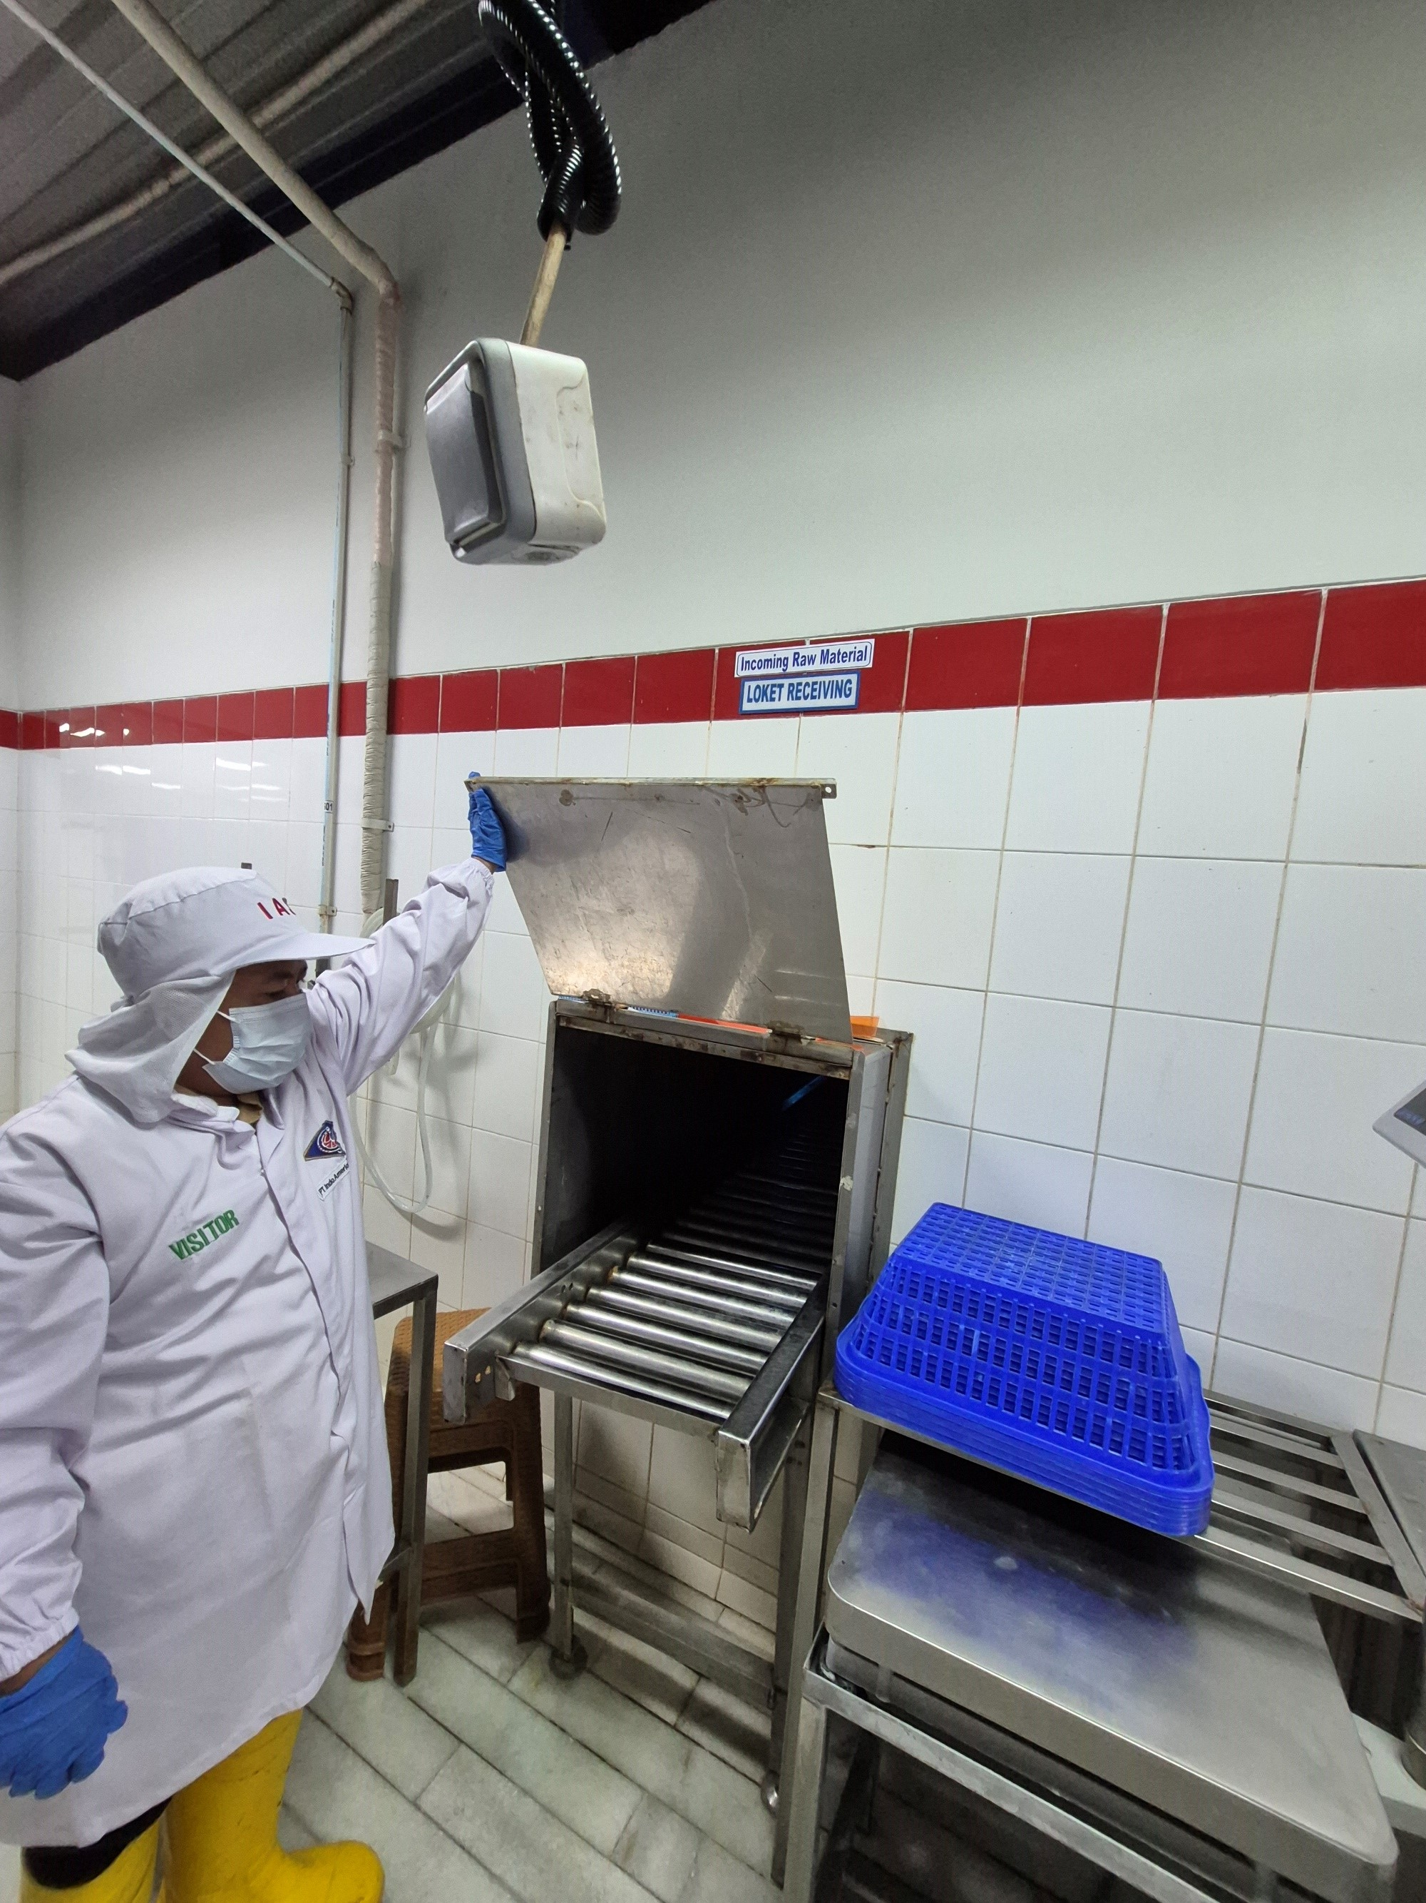 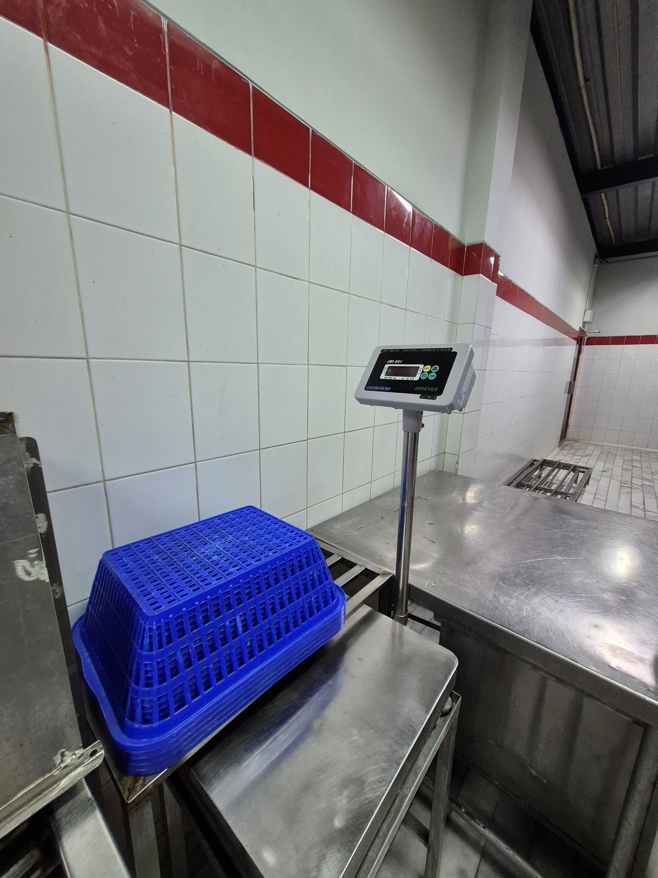 | Proses penerimaan bahan baku melalui 2 tahap yaitu bagian penerimaan bahan baku awal dan loket penerimaan bahan baku. Bahan baku yang sudah diterima dari pemasok selanjutnya akan ditimbang dan dilakukan pemeriksaan atas spesifikasi udang.
 | 2 | Deheading (Pemotongan Kepala)
 |  | 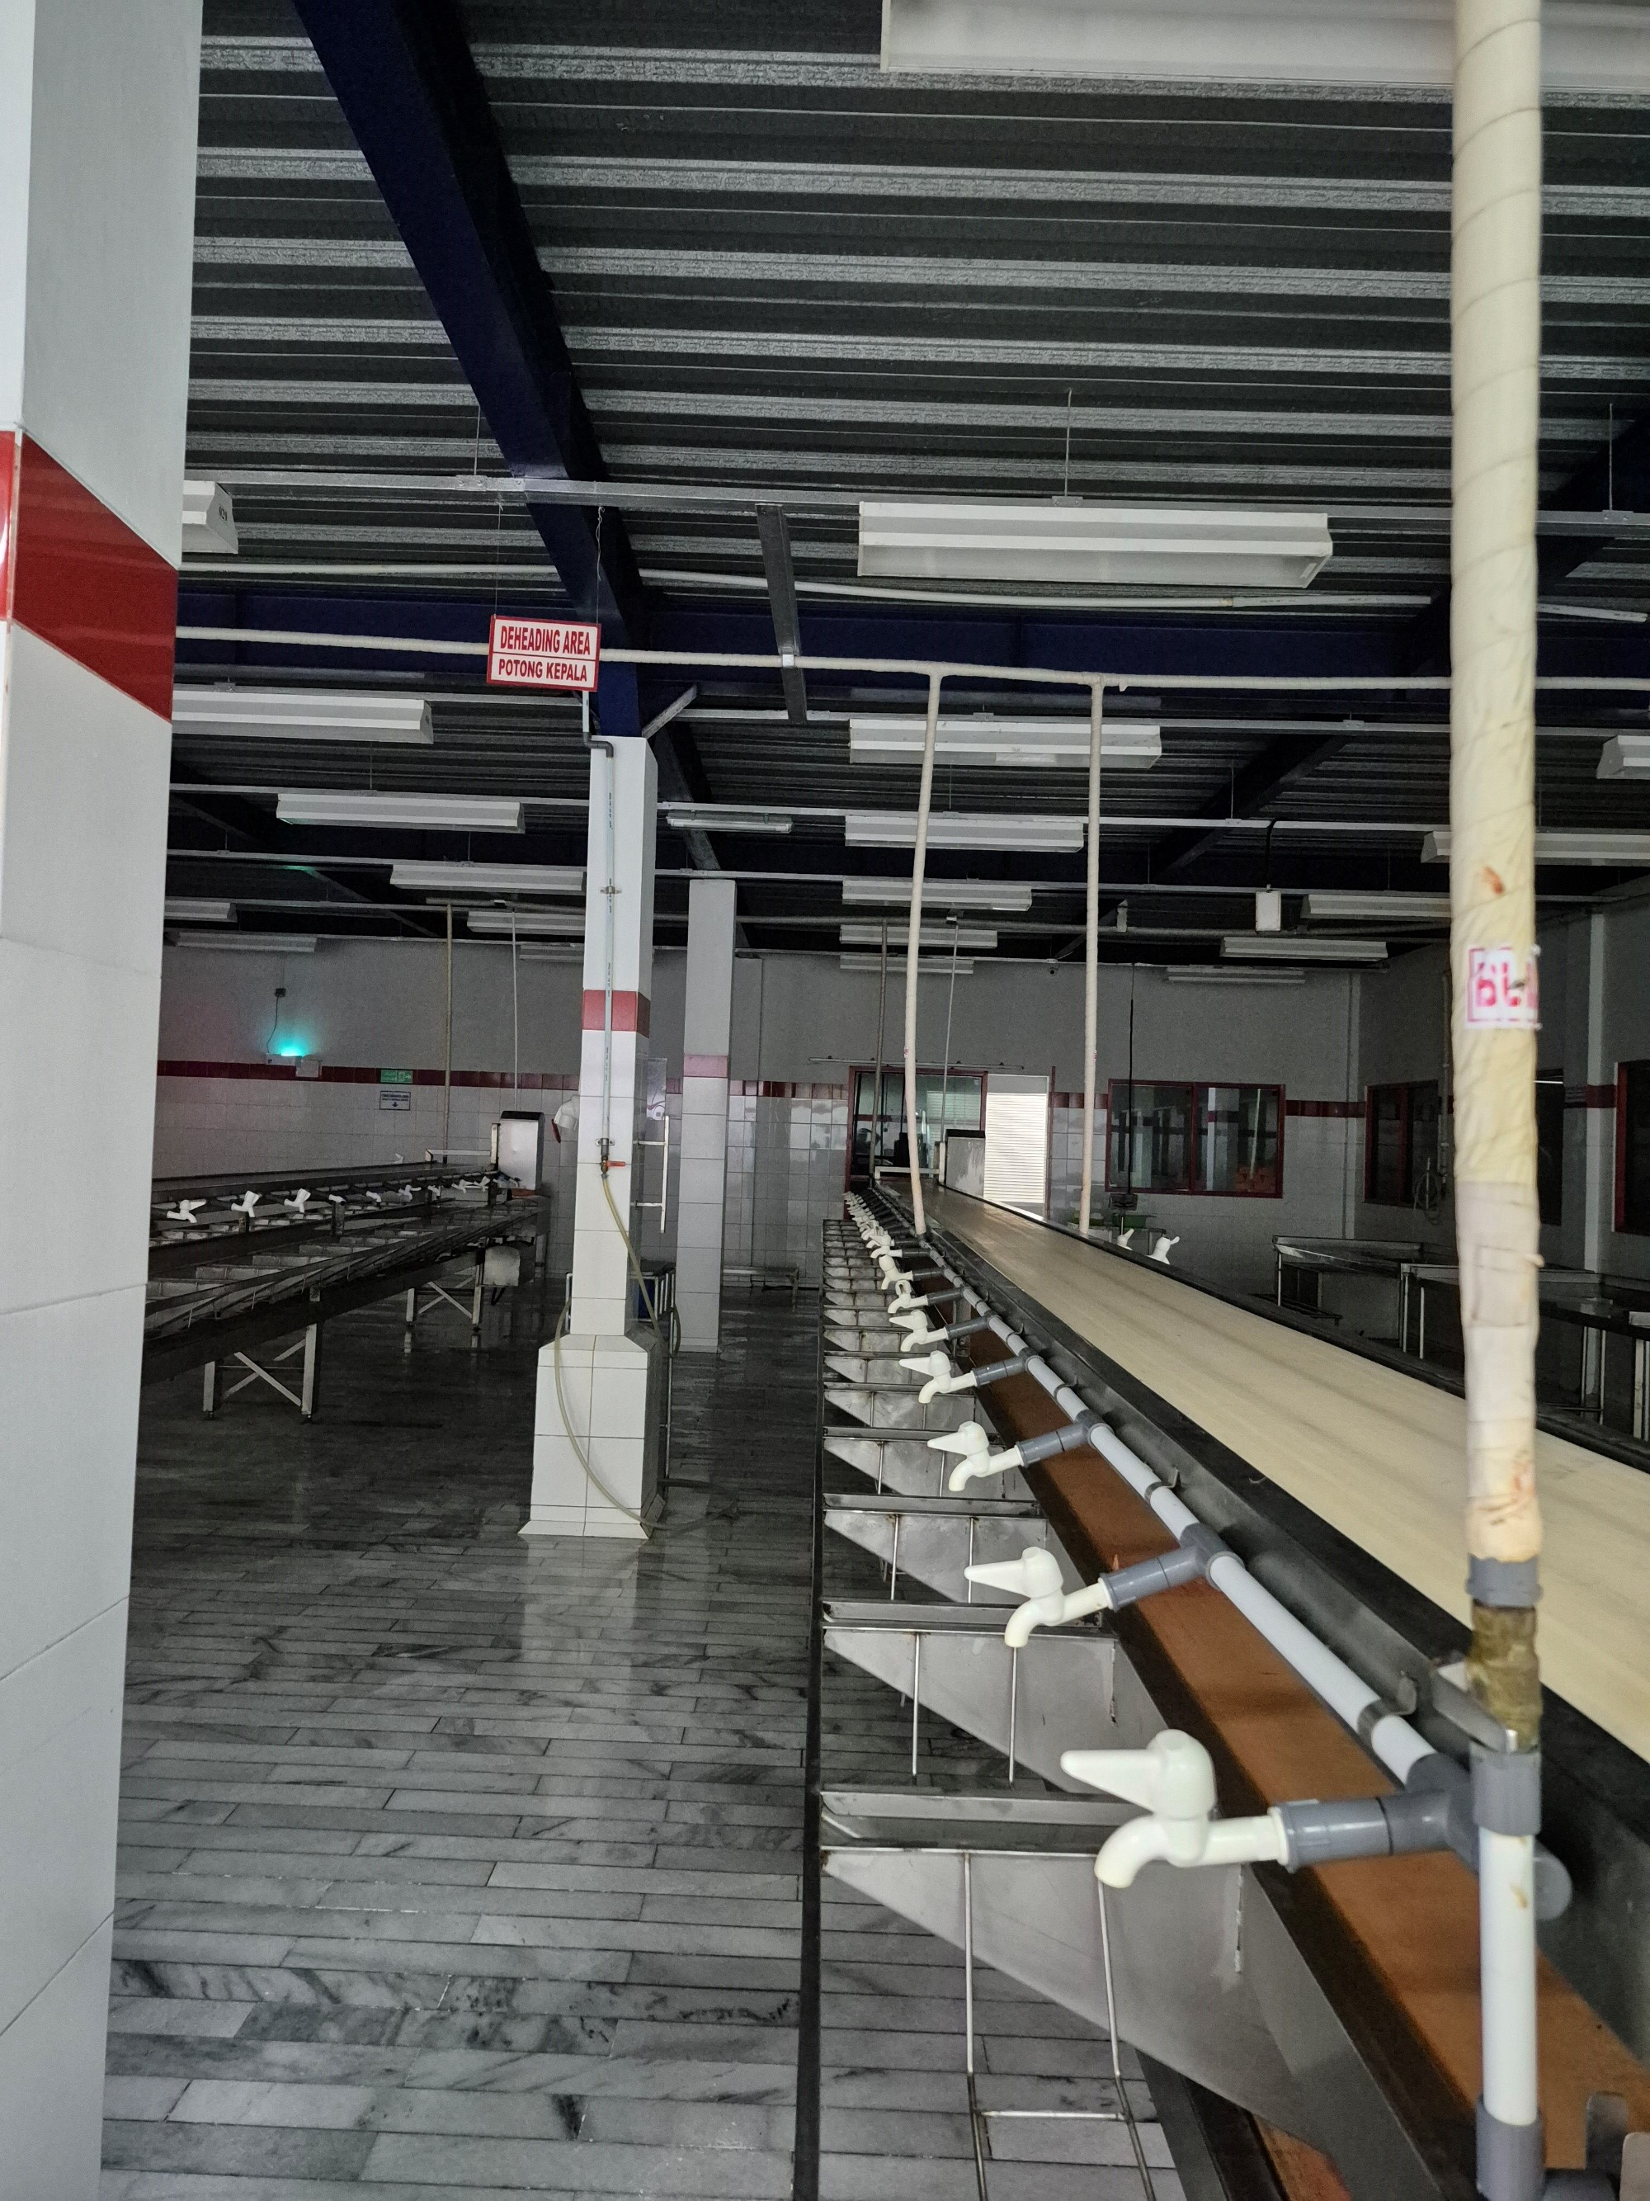 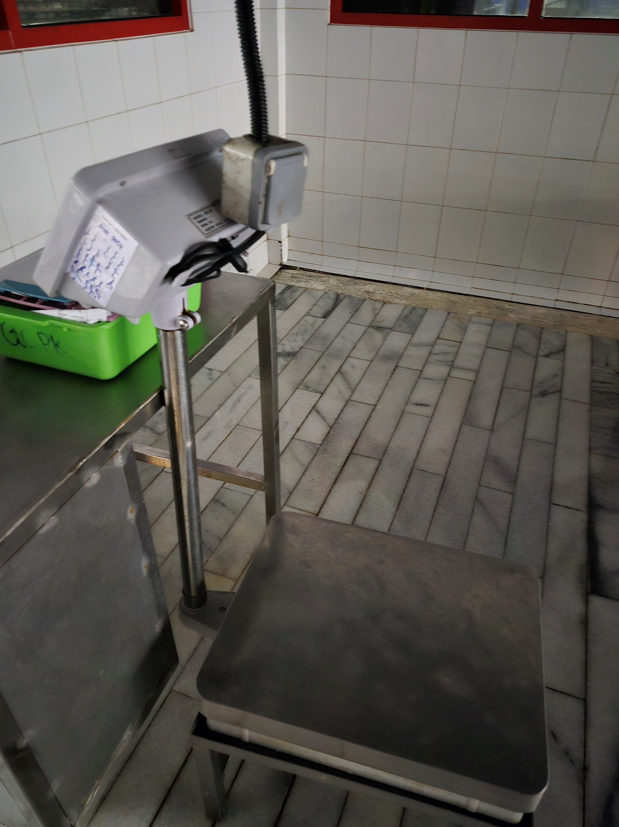 | Setelah proses penimbangan, bagian kepala dari setiap udang dikupas kemudian kepala udang yang tidak dimanfaatkan akan pisahkan ke wadah tersendiri, sedangkan udang yang tidak ada kepalanya akan diletakkan di dalam wadah keranjang kemudian di timbang kembali.
 | 3 | Penyortiran & pengupasan
 |  | 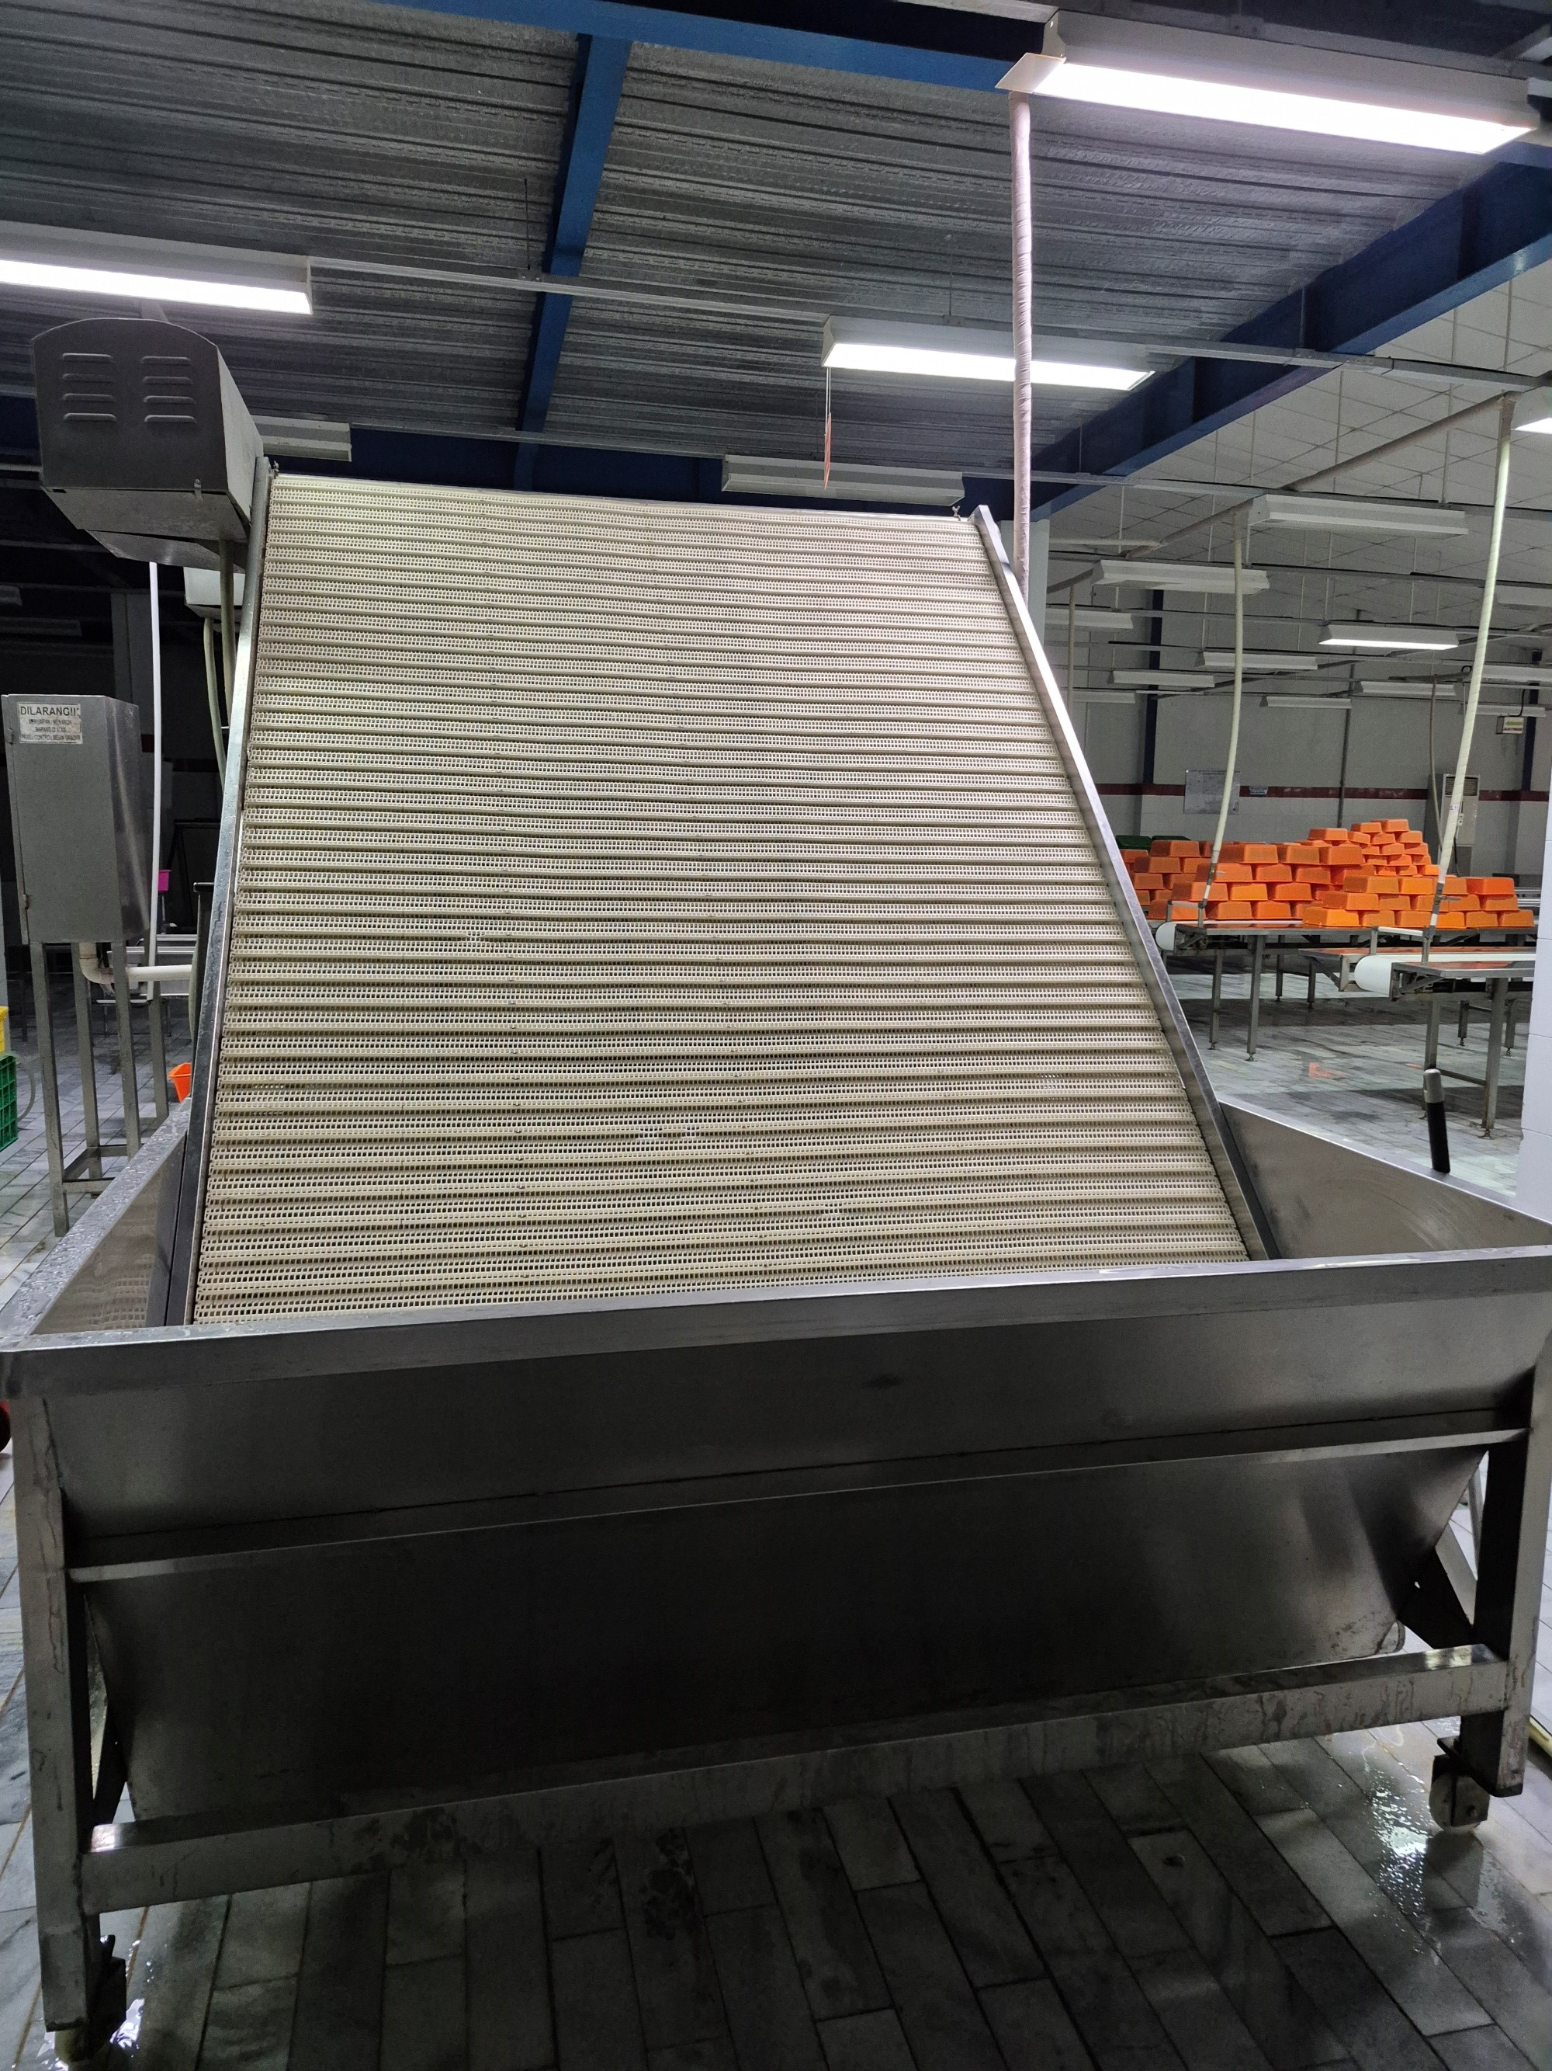 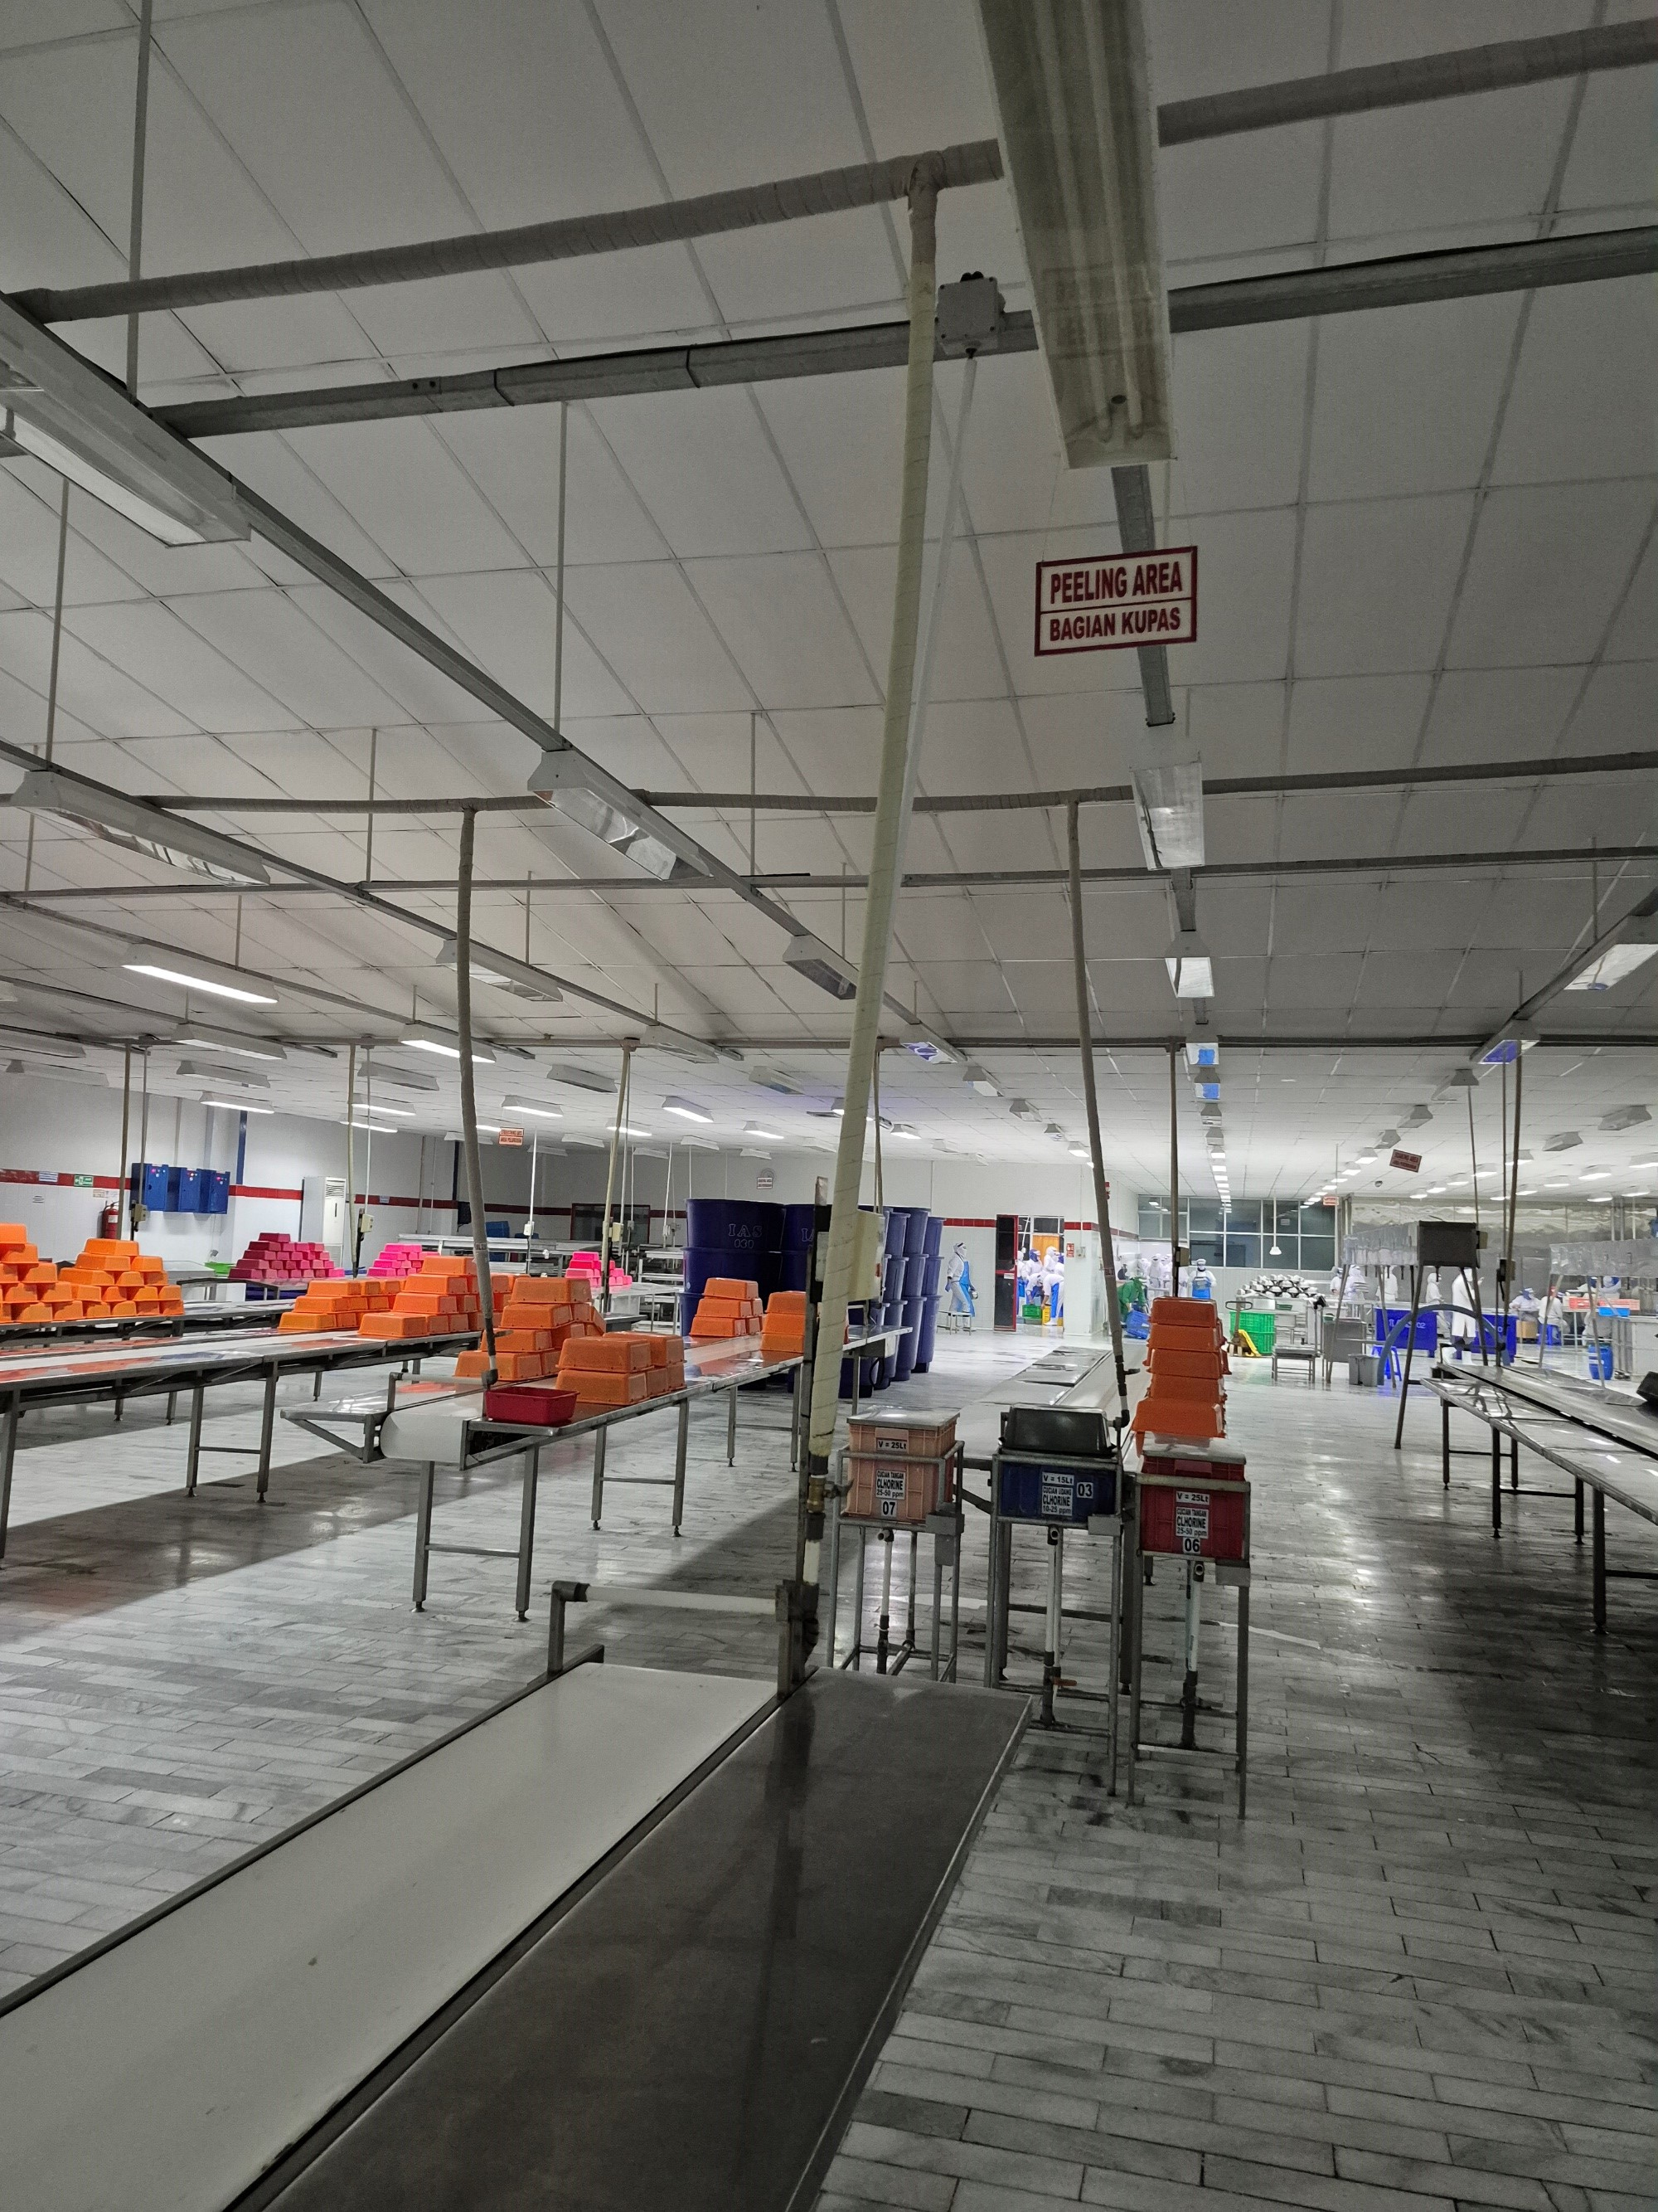 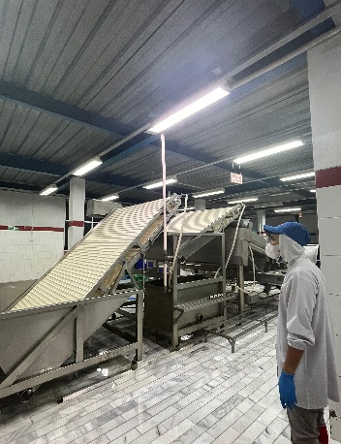 | Bahan baku udang kemudian masuk ke dalam proses sizing untuk disortir secara otomatis melalui mesin, proses ini berguna untuk mengklasifikasikan udang sesuai dengan ukuran. Setelah udang dikelompokkan berdasarkan size maka kulit udang akan dikupas dan dibersihkan kotorannya dengan cara di cungkil atau di belah (sesuai permintaan buyer).
 | 4 | Perendaman
 |  | 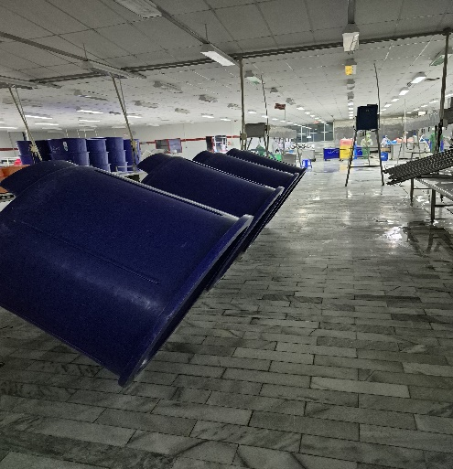 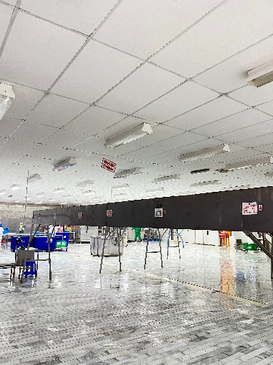 | Setelah dibersihkan, udang akan diletakkan di dalam wadah besar yang telah dicampur dengan bahan adiktif berupa garam halus dan sodium tripolifosfat selama kurang lebih 6 jam. Proses ini dilakukan untuk meningkatkan daya ikat air, memperbaiki tekstur dan mengurangi cooking loss pada udang, dengan ketentuan : Kapasitas wadah : 500 L Air Larutan : 300 L Udang : 150 Kg
 | 5 | Pembekuan udang (Raw Shrimp seperti HL, PD dan PND)
 |  | 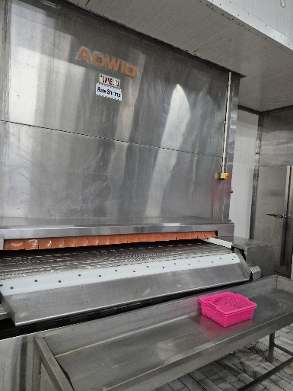 | Udang yang telah direndam selama kurang lebih 6 jam akan dipindahkan ke wadah untuk dilakukan proses freezing di dalam mesin pendingin (Tunnel 03). Proses Freezing dilakukan untuk memadatkan setiap produk yang telah melalui beberapa tahapan berguna untuk menjaga bentuk dan tekstur, menjaga kesegaran produk serta dapat memperpanjang masa penyimpanan. Titik beku setiap mesin freezing mencapai suhu -40C agar produk yang dihasilkan dalam kondisi padat dan siap diproses pengemasan.
 | 6 | Pengemasan (Raw Shrimp)
 |  | 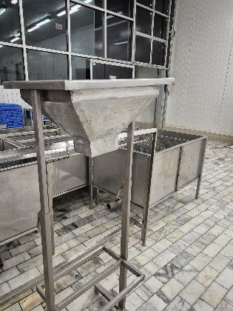 | Proses pengemasan yaitu menempatkan produk raw shrimp ke dalam kemasan untuk menjaga keutuhan selama proses penyimpanan dan pengiriman dan kemudian ditimbang kembali.
 | 7 | Cold Storage (Raw Shrimp)
 |  | 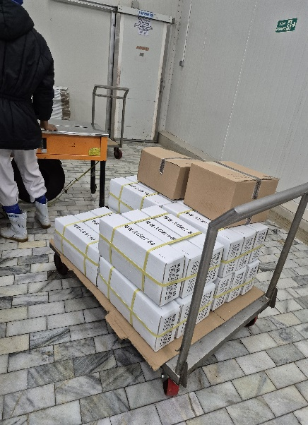 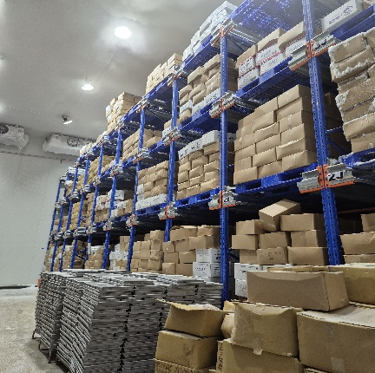 | Kemasan Udang yang sudah dikemas kemudian disimpan di dalam gudang penyimpanan dingin (Cold Storage) dengan suhu 18-25 C. Penyimpanan ini berfungsi untuk menghentikan kemungkinan mikro organisme yang dapat menyebabkan kerusakan pada produk maupun kemasan produk.
 | 8 | Mencetak & Freezing (Breaded Shrimp)
 |  | 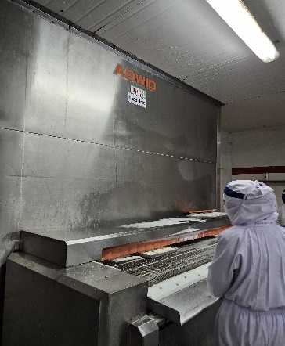 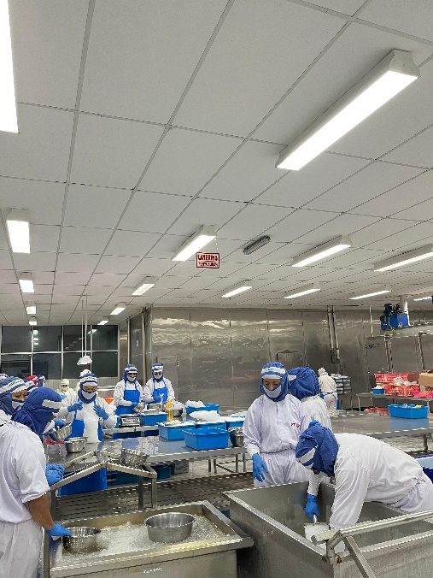 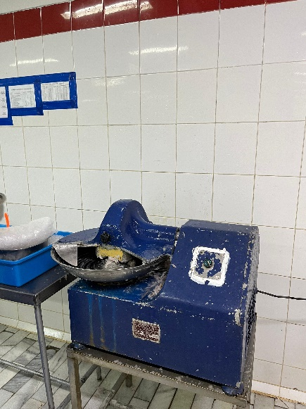 | Setelah dilakukan perendaman selama kurang lebih 6 Jam akan dilakukan proses stretching yaitu dengan mengiris bagian otot udang menggunakan mesin kemudian diletakkan di wadah cetakan untuk dibentuk sesuai dengan bentuk wadah atau permintaan buyer. Kemudian dilanjutkan proses frezing di tunel 01 dan tunel 02 dan di timbang kembali.
 | 9 | Battering and Breading (Breaded Shrimp)
 |  | 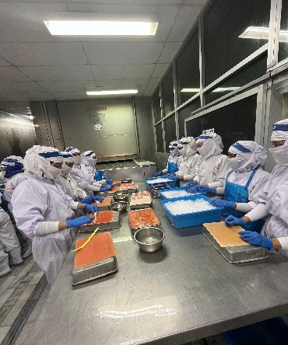 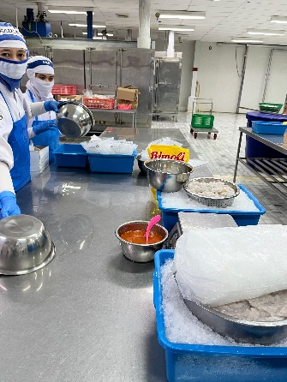 | Setelah melalui proses freezing udang akan masuk ke proses battering dan breading untuk dilapisi dengan tepung roti. Proses battering dan breading dilakukan dengan memasukkan udang yang telah padat kedalam adonan tepung roti untuk dilapisi dengan tepung roti. Lapisan tepung roti yang digunakan disesuaikan dengan permintaan dari buyer
 | 10 | Freezing (Breaded Shrimp)
 |  | 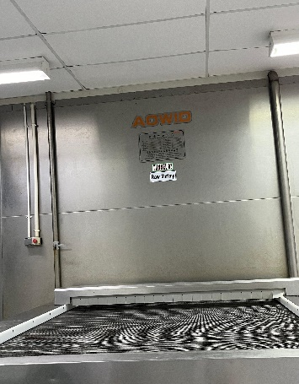 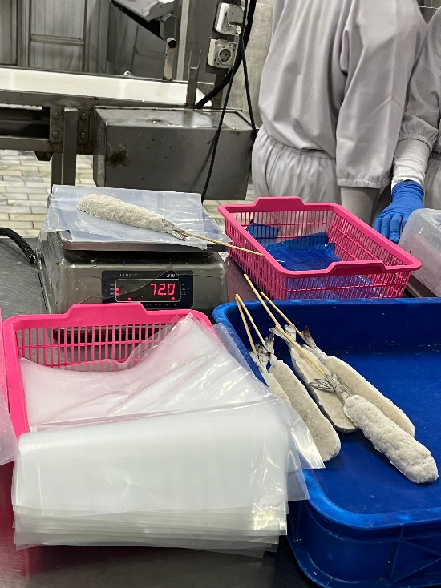 | Selanjutnya, proses freezing dilakukan dengan memasukkan produk olahan jadi ke dalam mesin pendingin untuk memadatkan setiap produk yang telah melalui beberapa tahapan berguna untuk menjaga bentuk dan tekstur produk akhir, menjaga kesegaran produk serta dapat memperpanjang masa penyimpanan. Titik beku setiap mesin freezing mencapai -40C agar produk yang dihasilkan dalam kondisi padat dan kemudian ditimbang kembali.
 | 11 | Pengemasan dan pengecekan X-Ray (Breaded Shrimp)
 |  | 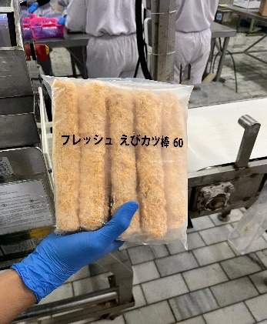 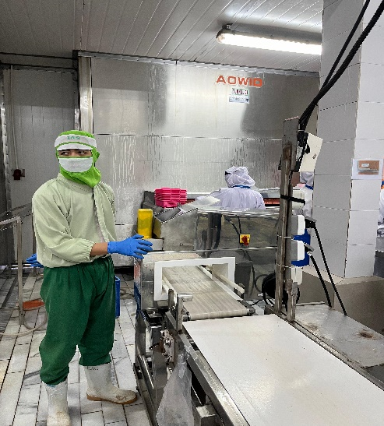 | Proses pengemasan yaitu menempatkan produk olahan jadi ke dalam kemasan masing-masing sesuai permintaan pelanggan termasuk pilihan jenis dan cara pengemasan untuk menjaga keutuhan selama proses penyimpanan dan pengiriman, kemudian akan di timbang dan dilakukan pengecekan menggunakan mesin x-ray guna mendeteksi kontaminan logam yang tidak sengaja tercampur selama proses produksi.
 | 12 | Cold Storage (Breaded Shrimp)
 |  | 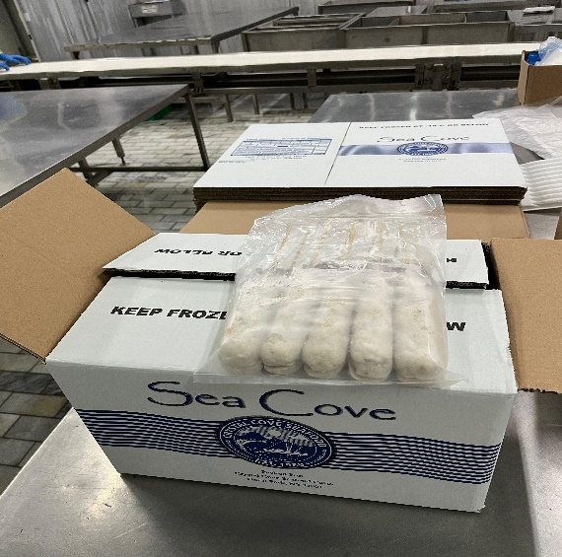 | Produk olahan udang yang sudah dikemas kemudian disimpan di dalam gudang penyimpanan dingin (Cold Storage) dengan suhu 18-25 C. Penyimpanan ini berfungsi untuk menghentikan kemungkinan mikro organisme yang dapat menyebabkan kerusakan pada produk maupun kemasan produk.

